Energy_item
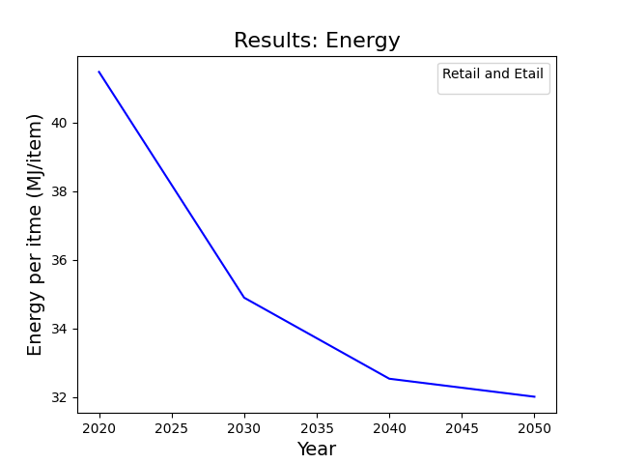
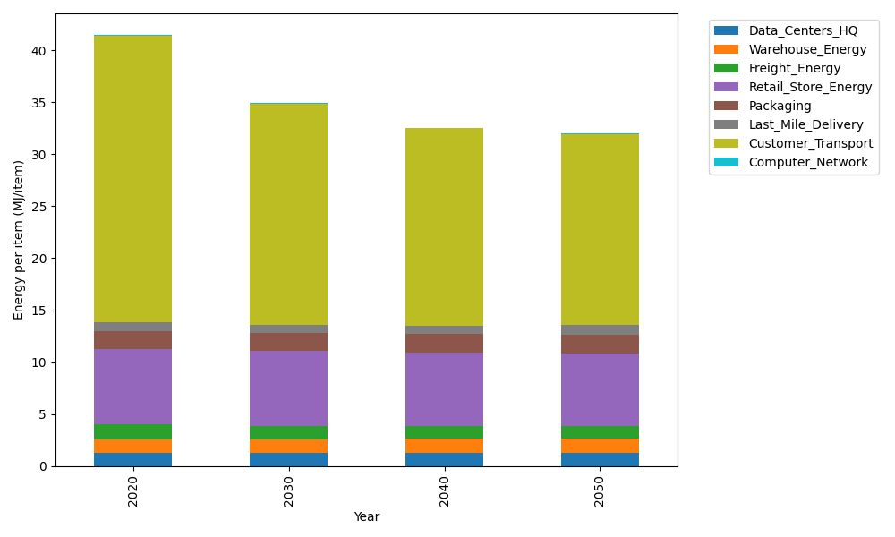
Years | Data_Centers_HQ | Warehouse_Energy | Freight_Energy | Retail_Store_Energy | Packaging | Last_Mile_Delivery | Customer_Transport | Computer_Network | Total
2020 | 1.2374584274 | 1.3413364871 | 1.4115247648 | 7.3075886387 | 1.6927150441 | 0.81309844633 | 27.629905244 | 0.042975419126 | 41.476602471
2030 | 1.2397219556 | 1.3560570783 | 1.2679446577 | 7.1834666191 | 1.7462883025 | 0.80115065333 | 21.258672298 | 0.047792234271 | 34.901093799
2040 | 1.2422748663 | 1.3726596348 | 1.2198932803 | 7.0434761256 | 1.8067106748 | 0.83952825513 | 18.96278193 | 0.053224858807 | 32.540549625
2050 | 1.2443556827 | 1.3861919813 | 1.2387992871 | 6.9293732242 | 1.8559595045 | 0.89919342914 | 18.404906176 | 0.057652861067 | 32.016432146

CO2_item
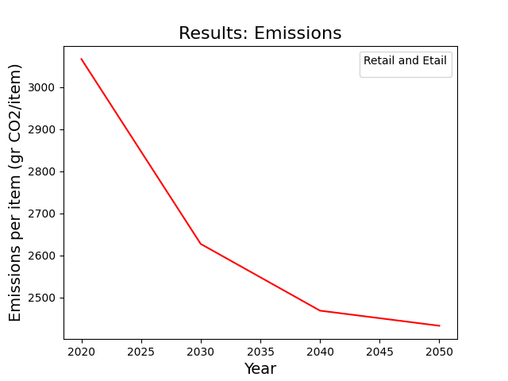
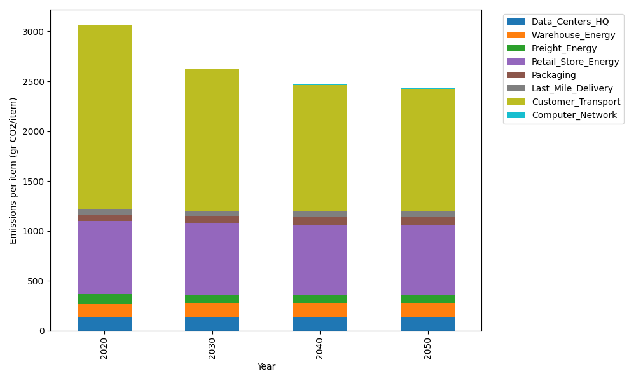
Years | Data_Centers_HQ | Warehouse_Energy | Freight_Energy | Retail_Store_Energy | Packaging | Last_Mile_Delivery | Customer_Transport | Computer_Network | Total
2020 | 140.15294768 | 133.90421398 | 96.132801536 | 728.75118621 | 65.626469552 | 55.813620698 | 1838.6117476 | 7.2489564156 | 3066.2419437
2030 | 140.45160425 | 135.38025855 | 86.191979451 | 716.37308537 | 70.965623159 | 54.993486813 | 1414.6427315 | 8.0614414071 | 2627.0602105
2040 | 140.78844279 | 137.04500915 | 82.797676889 | 702.41249683 | 76.987364916 | 57.627845445 | 1261.8643935 | 8.9777991597 | 2468.5010287
2050 | 141.06299183 | 138.40190754 | 84.017273877 | 691.03355518 | 81.895542527 | 61.723449619 | 1224.7409613 | 9.724700436 | 2432.6003823

